
 |  |  |  | CODE: |  |  | pl1058 aa SN from 96D673
DESCRIPTION: |  | BOX |  | BEHÄLTER | CAISSON | CAJA | CASSONE BATTERIE
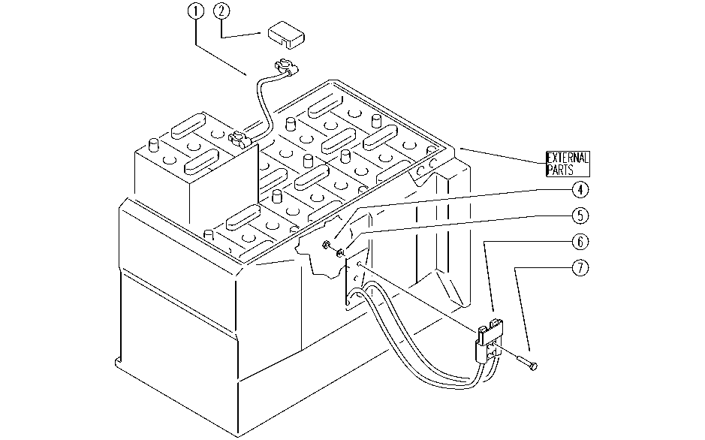

REF. | CODE | DESCRIPTION | QT
1 | SL23940 | BRIDGE / JUMPER | 5
2 | E86443 | Cable Covers | 12
4 | E86552 | nut | 4
5 | E86707 | Cham Washer D10 | 4
6 | E89221 | Wiring | 1
7 | E86708 | Screw TE M 6-35 | 4

